Reaction Time
n-1 RT | n-2 RT | n-3 RT
0.523510686 | 0.81118576 | 0.45306669
0.723491416 | 0.56553275 | 0.35863096 | N back level | mean RT | Standard deviation | Standard Error
0.41481837 | 0.4638782 | 0.3184683 | 1 back | 0.50562891973 | 0.15144269623 | 0.017487096287
0.52049828 | 0.32856999 | 0.28474882 | 2 back | 0.48968009219 | 0.15340074442 | 0.027117676655
0.78612247 | 0.3291485 | 0.520851 | 3 back | 0.499424477 | 0.14040176034 | 0.044398935017
0.81682914 | 0.446426 | 0.608323
0.258865282 | 0.3354528 | 0.579944
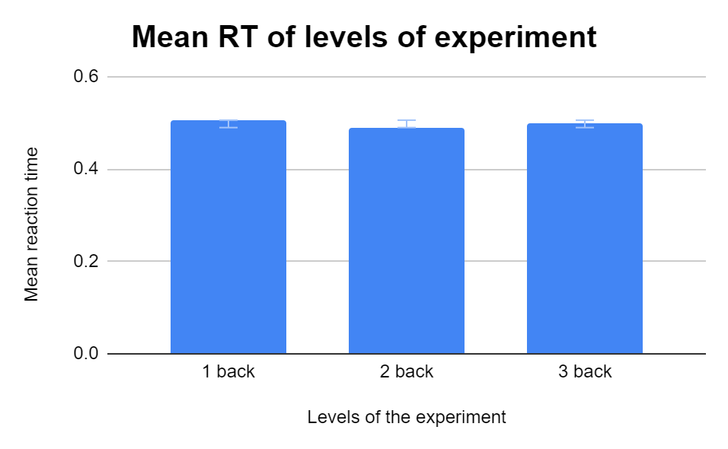
0.4320614 | 0.710018 | 0.540026
0.3595684 | 0.318752 | 0.690285
0.345685 | 0.413567 | 0.639901
0.65425429 | 0.6026818
0.471784056 | 0.3680836
0.2632741 | 0.3812369
0.7454289 | 0.752895
0.3347945 | 0.539228
0.5273583 | 0.75056819
0.3376959 | 0.48586713
0.42779149 | 0.47463702
0.47854892 | 0.67331716
0.56746179 | 0.37639221
0.357715 | 0.26329157
0.3362081 | 0.36683035
0.35738987 | 0.43771592
0.54559273 | 0.5343146
0.59463273 | 0.4009917
0.4396809 | 0.6348448
0.38585344 | 0.376552
0.43942292 | 0.3436429
0.59160451 | 0.3615947
0.54498885 | 0.4447414
0.38235911 | 0.7106006
0.46168077 | 0.6672044
0.4308906
0.4991927
0.49693398
0.22337498
0.3821165
0.4110293
0.3615444
0.4292451
0.3816999
0.4996323
0.3788036
0.3810178
0.3326241
0.4158681
0.7102714
0.3759916
0.6356446
0.6851237
0.5619304
0.6577186
0.7112419
0.6635844
0.8659842
0.5969537
0.8079987
0.7029248
0.349691
0.449909
0.728773
0.35536
0.517844
0.64865
0.372808
0.642454
0.620815
0.277884
0.400302
0.448313
0.597393
0.617889
0.746532
0.543471
0.577768

Accuracy
n-1 Accuracy | n-2 Accuracy | n-3 Accuracy
1 | 1 | 1
1 | 1 | 1 | N back level | Accuracy
1 | 1 | 1 | 1 back | 0.95
1 | 1 | 1 | 2 back | 0.77666666667
1 | 1 | 1 | 3 back | 0.80666666667
1 | 1 | 1
1 | 1 | 1
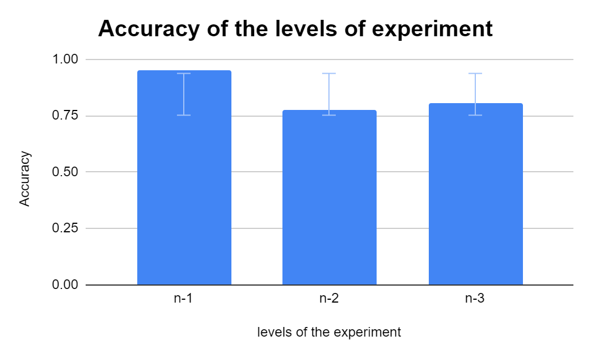
1 | 0 | 0
1 | 0 | 1
1 | 1 | 1
1 | 1 | 1
1 | 1 | 1
1 | 1 | 1
1 | 1 | 1
1 | 1 | 1
1 | 1 | 1
1 | 1 | 1
1 | 1 | 1
1 | 1 | 1
1 | 1 | 1
1 | 0 | 1
1 | 0 | 1
1 | 1 | 1
1 | 1 | 1
1 | 1 | 1
1 | 1 | 0
1 | 1 | 1
1 | 1 | 1
1 | 1 | 1
1 | 0 | 1
1 | 1 | 1
1 | 1 | 1
1 | 1 | 1
1 | 0 | 1
0 | 1 | 1
0 | 0 | 1
1 | 1 | 1
1 | 0 | 1
1 | 1 | 1
1 | 1 | 1
1 | 0 | 1
1 | 1 | 1
1 | 1 | 1
1 | 1 | 1
1 | 1 | 1
1 | 0 | 1
1 | 1 | 1
1 | 0 | 1
1 | 0 | 1
1 | 1 | 0
1 | 1 | 1
1 | 1 | 1
1 | 0 | 1
1 | 1 | 1
1 | 1 | 1
1 | 0 | 1
1 | 1 | 1
1 | 0 | 1
1 | 1 | 0
1 | 1 | 1
1 | 0 | 0
1 | 1 | 1
1 | 1 | 1
1 | 0 | 1
1 | 1 | 1
1 | 1 | 1
1 | 1 | 1
1 | 1 | 0
1 | 1 | 1
1 | 1 | 0
1 | 1 | 1
1 | 0 | 0
1 | 1 | 1
1 | 1 | 1
1 | 1 | 1
1 | 0 | 1
1 | 1 | 1
1 | 1 | 1
1 | 1 | 1
1 | 1 | 0
1 | 1 | 1
1 | 0 | 1
1 | 1 | 1
1 | 0 | 1
1 | 1 | 0
1 | 1 | 0
1 | 1 | 1
1 | 1 | 1
1 | 1 | 1
1 | 1 | 1
1 | 1 | 1
1 | 1 | 1
1 | 1 | 1
1 | 1 | 1
1 | 1 | 0
1 | 0 | 1
1 | 1 | 1
1 | 1 | 1
1 | 0 | 1
1 | 1 | 0
1 | 1 | 1
1 | 1 | 1
1 | 1 | 1
1 | 1 | 1
1 | 1 | 1
1 | 1 | 1
1 | 1 | 1
1 | 1 | 1
1 | 1 | 0
1 | 0 | 1
1 | 1 | 1
1 | 0 | 1
1 | 0 | 1
1 | 0 | 0
1 | 0 | 1
1 | 0 | 0
1 | 1 | 0
0 | 0 | 0
1 | 1 | 1
1 | 1 | 0
1 | 1 | 1
1 | 1 | 1
0 | 1 | 0
1 | 0 | 1
1 | 1 | 0
1 | 1 | 0
0 | 0 | 1
1 | 1 | 1
1 | 0 | 1
1 | 0 | 1
1 | 1 | 1
0 | 1 | 0
1 | 1 | 1
1 | 0 | 0
0 | 1 | 0
1 | 0 | 0
1 | 1 | 1
1 | 1 | 0
0 | 1 | 1
1 | 1 | 0
1 | 1 | 0
1 | 1 | 0
1 | 0 | 1
1 | 1 | 0
1 | 1 | 0
0 | 0 | 1
1 | 1 | 0
1 | 0 | 0
1 | 0 | 0
1 | 1 | 0
1 | 1 | 1
1 | 1 | 1
1 | 1 | 1
1 | 1 | 1
1 | 1 | 1
1 | 1 | 1
1 | 1 | 1
0 | 0 | 1
1 | 1 | 0
1 | 1 | 1
1 | 0 | 1
1 | 1 | 0
1 | 1 | 1
1 | 1 | 0
1 | 1 | 1
1 | 1 | 1
1 | 1 | 1
1 | 1 | 1
1 | 1 | 1
1 | 1 | 1
1 | 1 | 1
1 | 1 | 1
1 | 1 | 1
1 | 1 | 1
1 | 1 | 1
1 | 1 | 1
1 | 1 | 1
1 | 1 | 1
1 | 1 | 1
1 | 1 | 1
1 | 1 | 1
1 | 1 | 1
1 | 1 | 1
1 | 0 | 1
1 | 1 | 1
1 | 0 | 1
1 | 1 | 1
1 | 0 | 1
1 | 1 | 1
1 | 1 | 1
1 | 1 | 0
1 | 1 | 1
1 | 1 | 1
1 | 0 | 1
1 | 1 | 0
1 | 0 | 1
1 | 1 | 1
1 | 1 | 1
1 | 0 | 1
1 | 1 | 0
1 | 1 | 1
1 | 1 | 1
1 | 1 | 1
1 | 1 | 1
1 | 1 | 1
1 | 1 | 1
1 | 1 | 1
1 | 0 | 1
1 | 1 | 1
1 | 1 | 1
1 | 0 | 1
1 | 1 | 1
1 | 1 | 1
1 | 1 | 1
1 | 1 | 0
1 | 1 | 1
1 | 0 | 1
1 | 1 | 0
0 | 1 | 1
1 | 1 | 1
1 | 1 | 1
1 | 0 | 1
1 | 1 | 0
1 | 1 | 1
1 | 1 | 1
1 | 1 | 1
1 | 1 | 1
1 | 1 | 1
0 | 1 | 1
1 | 1 | 0
1 | 1 | 1
1 | 0 | 0
1 | 1 | 1
1 | 0 | 1
1 | 1 | 0
1 | 1 | 1
1 | 1 | 1
1 | 1 | 1
1 | 1 | 1
1 | 1 | 1
1 | 0 | 0
1 | 1 | 1
1 | 1 | 0
1 | 1 | 1
1 | 1 | 0
1 | 0 | 1
1 | 1 | 0
1 | 1 | 1
1 | 1 | 1
1 | 1 | 0
1 | 1 | 1
1 | 1 | 1
1 | 1 | 1
1 | 1 | 1
0 | 1 | 1
1 | 1 | 1
1 | 1 | 1
1 | 0 | 1
1 | 1 | 1
1 | 1 | 1
1 | 0 | 1
1 | 1 | 1
1 | 1 | 1
1 | 1 | 1
1 | 1 | 1
1 | 1 | 1
1 | 1 | 1
1 | 1 | 1
1 | 1 | 1
1 | 1 | 1
1 | 1 | 1
1 | 1 | 1
0 | 1 | 1
1 | 1 | 1
1 | 1 | 1
1 | 1 | 1
1 | 1 | 1
1 | 1 | 1
1 | 1 | 1
1 | 1 | 1
1 | 0 | 1
1 | 0 | 1
1 | 1 | 1
1 | 0 | 1
1 | 1 | 1
1 | 0 | 1
1 | 1 | 1
1 | 0 | 1
1 | 1 | 0
0 | 1 | 1
1 | 1 | 0
1 | 1 | 1
1 | 0 | 1
1 | 1 | 1
1 | 1 | 0
1 | 0 | 1
1 | 1 | 0
1 | 0 | 1
1 | 0 | 1
1 | 1 | 0

